Simple
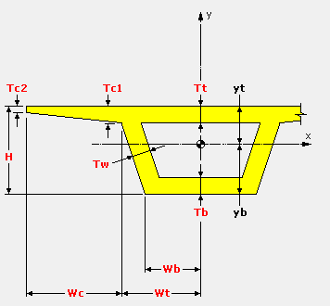
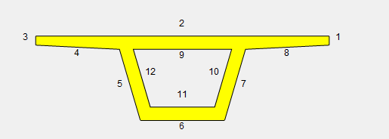
Name | Units | H | Wb | Wt | Wc | W | Tb | Tw | Tt | Tc1 | Tc2 | Cover | Bars1 | Bars2 | Bars3 | Bars4 | Bars5 | Bars6 | Bars7 | Bars8 | Bars9 | Bars10 | Bars11 | Bars12
Segment1 | N,mm,t,s,C | 2000 | 1000 | 1500 | 2000 | 7000 | 300 | 300 | 300 | 300 | 200 | 45 |  | 46x25 |  | 12x25 |  | 12x25 |  | 12x25 | 15x25 |  | 8x25
Segment2 | N,mm,t,s,C | 2200 | 1000 | 1500 | 2000 | 7000 | 300 | 300 | 300 | 300 | 200 | 45 |  | 46x25 |  | 12x25 |  | 12x25 |  | 12x25 | 15x25 |  | 8x25
Segment3 | N,mm,t,s,C | 2400 | 1000 | 1500 | 2000 | 7000 | 300 | 300 | 300 | 300 | 200 | 45 |  | 46x25 |  | 12x25 |  | 12x25 |  | 12x25 | 15x25 |  | 8x25
Segment4 | N,mm,t,s,C | 2600 | 1000 | 1500 | 2000 | 7000 | 300 | 300 | 300 | 300 | 200 | 45 |  | 46x25 |  | 12x25 |  | 12x25 |  | 12x25 | 15x25 |  | 8x25

